Front page
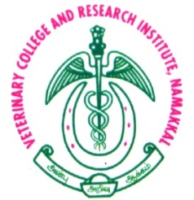

TAMIL NADU VETERINARY AND ANIMAL SCIENCEAS UNIVERSITY
VETERINARY COLLEGE AND RESEARCH INSTITUTE, NAMAKKAL
DEPARTMENT OF ANIMAL HUSBANDRY ECONOMICS
 |  | PROJECT REPORT ON GOAT FARMING

Title of the Project: | Development of specialized computer software to assist veterinary professionals in creating bankable livestock and poultry farming project report
 |  | Under Tamil Nadu GovernmentScheme on
 |  |  | "Students - Entrepreneurs - Industrialists Conclave: Showcasing, refinement and support for commersialization of the innovations of students in the field of Veterinary and Animal Sciences"

 | Name of the Student
 | DHARSHID VINESH, U.R. BVN 23018
 | DHARSHIKA, K BVN 23038
 | III PFY, B.V.Sc., & A.H., 2023-24 Batch

 | Name of the Mentor
 |  | Dr. V. Senthilkumar, M.V.Sc., Ph.D.,
 |  | Professor and Head,
 |  | Department of Animal Husbandry Economics
 |  | Veterinary College and Reasearch Institute
 |  | Namakkal 637 002

